SneakersList
 |  |  |  | ADIDAS ADULTS |  | 35 |  | 35.5 |  | 36 |  | 36.666666667 | 37.333333333 | 38 | 38.666666667 | 39.333333333 |  | 40 |  | 40.666666667 | 41.333333333 |  | 42 |  | 42.666666667 | 43.333333333 | 44 |  | 44.666666667 | 45.333333333 | 46 | 46.666666667 | 47.333333333 |  | 48 | 48.666666667 | 49.333333333
 |  |  |  | UNISEX |  | 34.5 |  | 35 | 35.5 | 36 |  | 36.5 | 37 | 37.5 | 38 | 38.5 |  | 39 | 39.5 | 40 | 40.5 |  | 41 | 41.5 | 42 | 42.5 | 43 | 43.5 | 44 | 44.5 | 45 | 45.5 | 46 | 46.5 | 47 | 47.5 | 48.5 | 49
 |  |  |  | LITTLE KIDS | 16 | 17 | 18 | 18.5 | 19 | 19.5 |  | 20 | 21 | 21.5 | 22 | 22.5 | 23 | 23.5 |  | 24 | 24.5 |  | 25 |  | 25.5 | 26 | 26.5 |  | 27 | 28 | 29 | 30.5 | 31.5 | 33
 |  |  |  | KIDS |  | 27 |  | 27.5 |  | 28 | 28.5 | 29 | 30 | 30.5 | 31 | 31.5 |  | 32 |  | 32.5 | 33 | 33.5 | 34 |  | 34.5 | 35
BRAND | BRAND | STYLE | SKU |  | S I Z E |  |  |  |  |  |  |  |  |  |  |  |  |  |  |  |  |  |  |  |  |  |  |  |  |  |  |  |  |  |  |  |  |  | QTY | RRP | WHL
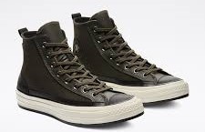 | CONVERSE | Haven Chuck 70 Hi | 169903C | UNISEX |  |  |  |  |  |  |  |  |  |  |  |  |  |  | 2 |  |  |  |  |  |  | 4 |  |  |  | 2 | 2 |  |  | 4 |  |  |  |  | 14 | € 140.00 | € 70.00
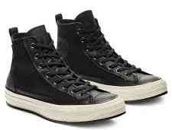 | CONVERSE | Haven Chuck 70 Hi | 169902C | UNISEX |  |  |  |  |  |  |  | 2 |  | 2 | 4 |  |  | 4 | 2 | 2 |  |  |  | 2 |  | 4 | 4 |  | 4 | 2 | 4 |  |  | 4 |  |  |  |  | 40 | € 140.00 | € 70.00
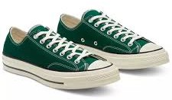 | CONVERSE | Chuck 70 OX | 168513C | UNISEX |  |  |  |  |  |  |  |  | 1 | 4 | 3 |  |  | 2 | 2 | 4 |  |  | 4 | 4 | 2 | 3 | 4 |  | 3 | 4 | 4 |  | 3 | 1 |  |  |  |  | 48 | € 85.00 | € 42.50
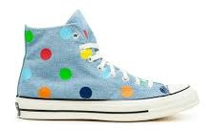 | CONVERSE | Golf Le Fleur Polka Dot Chuck 70 Hi | 170011C | UNISEX |  |  |  |  |  |  |  | 6 |  | 5 | 6 |  |  | 7 | 6 | 2 |  |  |  | 6 |  | 11 | 12 |  | 12 | 6 | 6 |  |  | 5 |  |  |  |  | 90 | € 100.00 | € 50.00
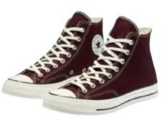 | CONVERSE | Chuck 70 Hi | 169342C | UNISEX |  |  |  |  |  |  |  |  |  |  |  |  |  |  | 2 |  |  |  |  | 2 |  | 2 |  |  |  | 2 |  |  |  |  |  |  |  |  | 8 | € 90.00 | € 45.00
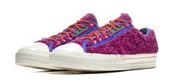 | CONVERSE | Star Player OX | 169522C | UNISEX |  |  |  |  |  |  |  |  |  | 2 |  | 4 |  |  |  |  |  |  | 2 |  |  | 3 | 4 |  | 4 | 2 | 2 |  |  | 2 |  |  |  |  | 25 | € 95.00 | € 47.50
 | CONVERSE | Star Player OX | 169521C | UNISEX |  |  |  |  |  |  |  |  |  | 2 |  | 4 |  |  |  |  |  |  |  |  |  | 3 | 4 |  | 4 | 2 | 2 |  |  | 2 |  |  |  |  | 23 | € 95.00 | € 47.50
 | CONVERSE | Skid Grip OX | 169641C | UNISEX |  |  |  |  |  | 2 |  |  |  | 2 | 4 | 4 |  | 2 |  | 2 |  |  | 2 |  |  | 4 | 4 |  | 4 | 2 | 2 |  |  | 2 |  |  |  |  | 36 | € 80.00 | € 40.00
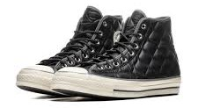 | CONVERSE | Chuck 70 Hi | 169376C | UNISEX |  |  |  |  |  |  |  |  |  |  |  |  |  |  |  | 1 |  |  | 2 | 2 | 2 | 1 | 2 |  | 2 | 2 | 2 |  | 1 |  |  |  |  |  | 17 | € 95.00 | € 47.50
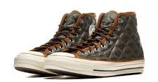 | CONVERSE | Chuck 70 Hi | 169375C | UNISEX |  |  |  |  |  |  |  |  |  |  |  |  |  |  |  | 1 |  |  | 2 | 2 | 2 | 1 | 2 |  | 1 | 1 | 2 |  | 2 |  |  |  |  |  | 16 | € 95.00 | € 47.50
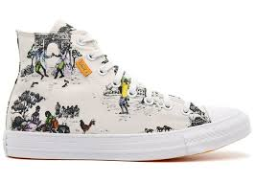 | CONVERSE | Union Gibbs CTAS Hi | 169115C | UNISEX |  |  |  |  |  |  |  |  |  |  |  |  |  |  | 3 |  |  |  |  | 3 |  | 3 | 6 |  | 1 | 2 | 1 |  |  | 2 |  |  |  |  | 21 | € 100.00 | € 50.00
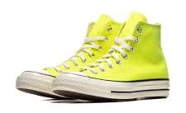 | CONVERSE | Chuck 70 Hi | 169341C | UNISEX |  |  |  |  |  |  |  |  |  | 2 |  |  |  |  | 2 |  |  |  |  | 2 | 1 | 2 | 2 |  | 2 | 2 | 2 |  | 1 |  |  |  |  |  | 18 | € 90.00 | € 45.00
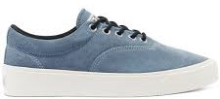 | CONVERSE | Skid Grip OX | 169617C | UNISEX |  |  |  |  |  |  |  |  |  |  |  |  |  |  |  | 1 | 2 |  |  |  | 2 |  | 1 |  |  | 2 |  |  | 1 |  |  |  |  |  | 9 | € 85.00 | € 42.50
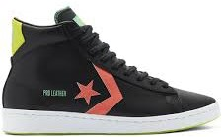 | CONVERSE | Pro Leather Hi | 169651C | UNISEX |  |  |  |  |  |  |  |  |  |  |  |  |  |  |  | 1 | 2 |  | 2 |  | 2 | 2 | 2 |  | 2 | 2 | 2 |  | 1 |  |  |  |  |  | 18 | € 90.00 | € 45.00
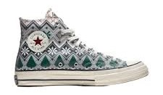 | CONVERSE | Chuck 70 Hi | 169352C | UNISEX |  |  |  |  |  |  |  |  | 1 | 2 | 1 |  |  | 2 | 2 | 2 |  |  | 2 | 2 | 2 | 2 | 2 |  | 2 | 2 | 2 |  | 1 |  |  |  |  |  | 27 | € 90.00 | € 45.00
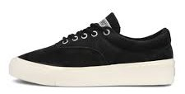 | CONVERSE | Skid Grip OX | 169616C | UNISEX |  |  |  |  |  |  |  |  |  |  |  |  |  |  |  | 1 | 2 |  | 2 |  | 1 | 2 | 1 |  | 2 | 2 | 2 |  | 1 |  |  |  |  |  | 16 | € 85.00 | € 42.50
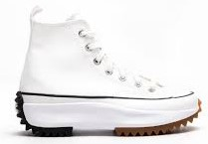 | CONVERSE | Runstar Hike Hi | 166799C | UNISEX |  |  |  |  |  |  |  |  | 1 | 1 | 2 |  |  | 1 |  | 2 | 2 |  | 1 |  |  |  |  |  |  |  |  |  |  |  |  |  |  |  | 10 | € 110.00 | € 55.00
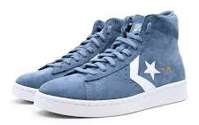 | CONVERSE | Pro Leather Hi | 169503C | UNISEX |  |  |  |  |  |  |  |  |  |  |  |  |  |  |  | 1 | 2 |  | 2 |  | 2 | 2 | 2 |  | 2 | 2 | 2 |  | 1 |  |  |  |  |  | 18 | € 90.00 | € 45.00
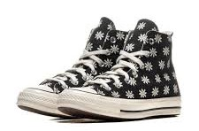 | CONVERSE | Chuck 70 Hi | 169534C | UNISEX |  |  |  |  |  |  |  |  |  |  | 1 |  |  | 2 | 2 | 2 |  |  | 1 |  |  |  |  |  |  |  |  |  |  |  |  |  |  |  | 8 | € 90.00 | € 45.00
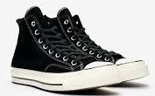 | CONVERSE | Chuck 70 Hi | 169336C | UNISEX |  |  |  |  |  |  |  |  |  |  |  |  |  |  |  | 1 |  |  | 2 | 2 | 2 |  |  |  | 1 | 1 | 2 |  |  |  |  |  |  |  | 11 | € 100.00 | € 50.00
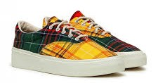 | CONVERSE | Skid Grip OX | 169218C | UNISEX |  |  |  |  |  | 1 |  |  |  | 2 |  | 4 |  |  |  |  |  |  |  |  |  | 1 |  |  |  | 2 | 1 |  |  | 1 |  |  |  |  | 12 | € 80.00 | € 40.00
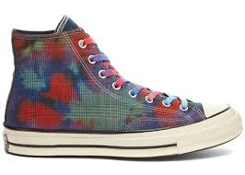 | CONVERSE | Chuck 70 HI | 168752C | UNISEX |  |  |  |  |  |  |  | 3 |  | 3 | 6 |  |  | 5 | 3 | 3 |  |  |  | 3 |  | 6 | 6 |  | 5 | 3 | 3 |  |  | 3 |  |  |  |  | 52 | € 110.00 | € 55.00
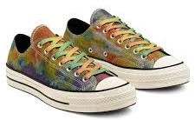 | CONVERSE | Chuck 70 OX | 168879C | UNISEX |  |  |  |  |  |  |  | 3 |  | 3 | 6 |  |  | 6 | 3 | 3 |  |  |  | 3 |  | 6 | 6 |  | 6 | 3 | 3 |  |  | 3 |  |  |  |  | 54 | € 100.00 | € 50.00
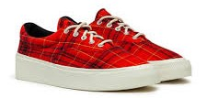 | CONVERSE | Skid Grip OX | 169219C | UNISEX |  |  |  |  |  | 2 |  |  |  | 2 |  | 4 |  |  |  |  |  |  | 1 |  |  | 4 |  |  |  | 2 | 2 |  |  | 2 |  |  |  |  | 19 | € 80.00 | € 40.00
 | CONVERSE | Reverse Terry Star Player OX | 168755C | UNISEX |  |  |  |  |  | 2 |  |  |  | 2 | 4 | 4 |  | 2 |  | 2 |  |  | 2 |  |  | 4 | 4 |  | 4 | 1 | 2 |  |  | 1 |  |  |  |  | 34 | € 95.00 | € 47.50
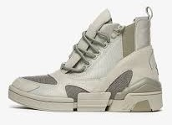 | CONVERSE | CPX Chelsea HI | 568759C | UNISEX |  |  |  | 1 |  | 1 |  | 2 |  | 2 |  |  |  |  | 2 |  |  |  | 1 |  | 1 |  |  |  |  |  |  |  |  |  |  |  |  |  | 10 | € 130.00 | € 65.00
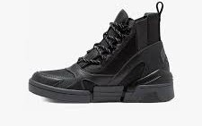 | CONVERSE | CPX Chelsea HI | 568753C | UNISEX |  |  |  | 1 |  | 1 |  | 2 | 1 | 2 |  |  |  | 2 | 1 | 2 |  |  |  | 1 | 1 | 1 |  |  |  |  |  |  |  |  |  |  |  |  | 15 | € 130.00 | € 65.00
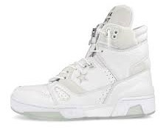 | CONVERSE | The Soloist ERX 260 Hi | 169010C | UNISEX |  |  |  |  |  | 2 |  |  |  | 2 | 4 | 3 |  |  |  |  |  |  | 1 |  |  |  | 3 |  | 4 | 2 | 1 |  |  |  |  |  |  |  | 22 | € 140.00 | € 70.00
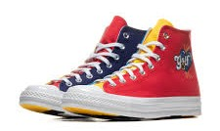 | CONVERSE | Golf Wang Chuck 70 Hi | 169910C | UNISEX |  |  |  |  |  |  |  |  |  |  |  |  |  |  |  |  |  |  |  |  |  |  |  |  | 2 |  |  |  |  | 1 |  |  |  |  | 3 | € 100.00 | € 50.00
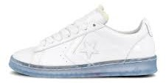 | CONVERSE | Rokit Pro Leather Ox | 169217C | UNISEX |  |  |  |  |  | 2 |  |  |  | 2 | 4 | 4 |  | 1 |  | 1 |  |  | 2 |  |  | 4 | 2 |  | 2 | 2 | 2 |  |  | 2 |  |  |  |  | 30 | € 95.00 | € 47.50
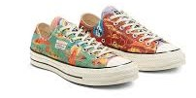 | CONVERSE | Twisted Resort Chuck 70 Ox | 167762C | UNISEX |  |  |  |  |  |  |  | 2 |  | 3 | 5 |  |  | 6 | 3 | 3 |  |  |  | 3 |  | 5 | 4 |  | 6 | 3 | 3 |  |  | 3 |  |  |  |  | 49 | € 95.00 | € 47.50
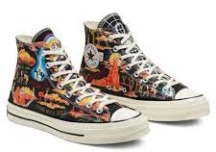 | CONVERSE | Twisted Resort Chuck 70 HI | 167761C | UNISEX |  |  |  |  |  |  |  | 3 |  | 3 | 2 |  |  | 2 | 3 |  |  |  |  |  |  | 5 | 4 |  | 4 | 2 | 2 |  |  | 2 |  |  |  |  | 32 | € 100.00 | € 50.00
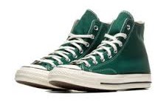 | CONVERSE | Chuck 70 Hi | 168508C | UNISEX |  |  |  |  |  |  |  |  | 1 | 2 | 2 |  |  |  |  |  |  |  |  | 1 | 2 | 2 | 2 |  | 4 | 3 | 4 |  | 2 | 1 |  |  |  |  | 26 | € 90.00 | € 45.00
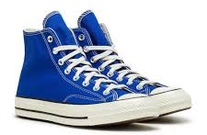 | CONVERSE | Chuck 70 Hi | 168509C | UNISEX |  |  |  |  |  |  |  | 1 |  | 2 |  |  |  |  | 2 |  |  |  |  | 2 |  | 2 |  |  |  | 2 |  |  | 2 | 1 |  |  |  |  | 14 | € 90.00 | € 45.00
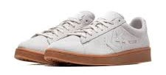 | CONVERSE | Pro Leather OX | 168598C | UNISEX |  |  |  |  |  |  |  |  |  |  |  |  |  |  |  | 1 | 2 |  | 2 |  | 2 | 1 | 2 |  | 2 | 1 | 1 |  | 2 | 1 |  |  |  |  | 17 | € 85.00 | € 42.50
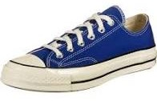 | CONVERSE | Chuck 70 OX | 168514C | UNISEX |  |  |  |  |  |  |  | 1 | 1 | 2 | 2 |  |  | 2 | 2 | 2 |  |  | 2 | 3 | 3 | 2 | 2 |  | 2 | 2 | 2 |  | 2 | 1 |  |  |  |  | 33 | € 85.00 | € 42.50
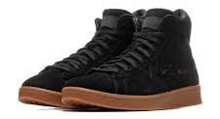 | CONVERSE | Pro Leather Hi | 168596C | UNISEX |  |  |  |  |  |  |  |  |  |  |  |  |  |  |  | 1 | 2 |  | 2 |  | 1 | 1 |  |  | 2 | 1 | 2 |  | 2 |  |  |  |  |  | 14 | € 90.00 | € 45.00
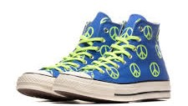 | CONVERSE | Chuck 70 HI | 167913C | UNISEX |  |  |  |  |  |  |  | 2 |  | 2 |  |  |  |  | 2 |  |  |  | 2 | 2 | 2 | 2 | 2 |  | 2 | 2 | 2 |  | 1 |  |  |  |  |  | 23 | € 90.00 | € 45.00
 | CONVERSE | Vintage Sports Star Player 76 OX | 167769C | UNISEX |  |  |  |  |  | 1 |  |  |  | 1 | 2 | 2 |  | 1 |  | 1 |  |  | 1 |  |  | 2 | 2 |  | 2 | 1 | 1 |  |  | 1 |  |  |  |  | 18 | € 90.00 | € 45.00
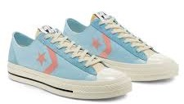 | CONVERSE | Vintage Sports Star Player 76 OX | 167768C | UNISEX |  |  |  |  |  |  |  |  |  |  |  |  |  |  |  |  |  |  |  |  |  | 1 | 1 |  | 2 | 1 | 1 |  |  | 1 |  |  |  |  | 7 | € 90.00 | € 45.00
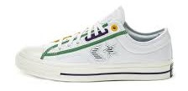 | CONVERSE | Logo Mash Up Star Player OX | 167141C | UNISEX |  |  |  |  |  | 2 |  |  |  | 2 | 3 | 4 |  | 2 |  | 2 |  |  | 1 |  |  | 3 | 3 |  | 2 | 1 | 2 |  |  | 2 |  |  |  |  | 29 | € 90.00 | € 45.00
 | CONVERSE | Chuck 70 Hi | 167912C | UNISEX |  |  |  |  |  |  |  | 2 |  | 2 |  |  |  |  | 2 |  |  |  |  | 2 |  | 2 |  |  |  | 2 | 2 |  | 2 |  |  |  |  |  | 16 | € 90.00 | € 45.00
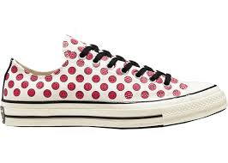 | CONVERSE | Chuck 70 OX | 167645C | UNISEX |  |  |  |  |  | 1 |  | 2 | 2 | 2 | 1 |  |  | 2 | 2 | 2 |  |  | 2 | 2 | 2 | 2 | 2 |  | 2 | 1 | 2 |  | 1 |  |  |  |  |  | 30 | € 85.00 | € 42.50
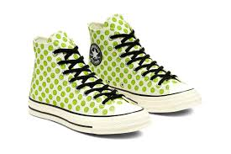 | CONVERSE | Chuck 70 Hi | 167637C | UNISEX |  |  |  |  |  | 1 |  | 1 | 1 | 2 | 2 |  |  |  | 2 | 2 |  |  | 2 | 2 | 2 | 2 | 2 |  | 2 | 2 | 2 |  | 1 |  |  |  |  |  | 28 | € 90.00 | € 45.00
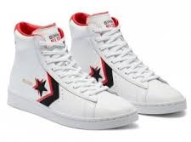 | CONVERSE | Pro Leather Hi | 169024C | UNISEX |  |  |  |  |  |  |  |  |  |  |  |  |  |  |  | 1 | 2 |  | 2 |  | 2 | 2 |  |  |  | 2 |  |  |  |  |  |  |  |  | 11 | € 90.00 | € 45.00
 | CONVERSE | Pro Leather | 169036C | UNISEX |  |  |  |  |  |  |  |  |  |  |  |  |  |  |  | 1 | 2 |  | 2 |  | 2 | 2 | 2 |  | 2 | 2 | 2 |  | 1 |  |  |  |  |  | 18 | € 85.00 | € 42.50
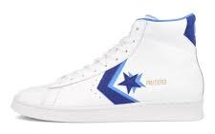 | CONVERSE | Pro Leather Mid | 169035C | UNISEX |  |  |  |  |  |  |  |  |  |  |  |  |  |  |  | 1 | 2 |  | 2 |  | 2 | 1 | 2 |  | 2 | 1 | 3 |  | 1 |  |  |  |  |  | 17 | € 90.00 | € 45.00
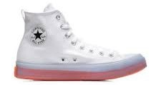 | CONVERSE | Chuck Taylor All Star 70 CX Hi | 167807C | UNISEX |  |  |  |  |  | 1 |  | 1 |  |  |  |  |  | 1 | 2 |  |  |  | 1 | 2 |  | 2 |  |  |  |  |  |  |  |  |  |  |  |  | 10 | € 85.00 | € 42.50
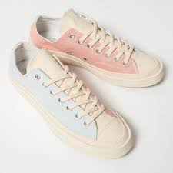 | CONVERSE | Chuck 70 Ox | 167772C | UNISEX |  |  |  |  |  |  |  | 2 |  |  | 2 |  |  | 5 | 2 | 2 |  |  |  |  |  | 5 | 5 |  | 6 | 3 | 2 |  |  | 2 |  |  |  |  | 36 | € 100.00 | € 50.00
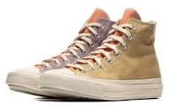 | CONVERSE | Chuck 70 Hi | 167767C | UNISEX |  |  |  |  |  |  |  | 2 |  |  |  |  |  | 4 | 3 | 2 |  |  |  |  |  | 6 | 6 |  | 6 | 3 | 3 |  |  | 3 |  |  |  |  | 38 | € 95.00 | € 47.50
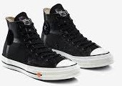 | CONVERSE | Rokit Chuck 70 Hi | 168211C | UNISEX |  |  |  |  |  |  |  | 4 |  | 4 | 7 |  |  | 8 | 4 | 3 |  |  |  | 2 |  | 5 | 6 |  | 4 | 3 | 1 |  |  | 2 |  |  |  |  | 53 | € 110.00 | € 55.00
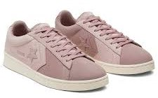 | CONVERSE | Earth Tone Suede Pro Leather Ox | 167890C | UNISEX |  |  |  |  |  | 3 |  |  |  | 3 | 6 | 6 |  | 3 |  | 3 |  |  | 3 |  |  | 6 | 6 |  | 6 | 3 | 3 |  |  | 3 |  |  |  |  | 54 | € 90.00 | € 45.00
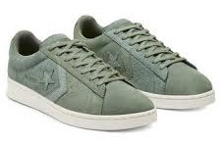 | CONVERSE | Earth Tone Suede Pro Leather Ox | 167889C | UNISEX |  |  |  |  |  | 3 |  |  |  | 3 | 6 | 6 |  | 3 |  | 3 |  |  | 3 |  |  | 6 | 6 |  | 6 | 3 | 2 |  |  | 3 |  |  |  |  | 53 | € 90.00 | € 45.00
 | CONVERSE | Chuck 70 OX | 167811C | UNISEX |  |  |  |  |  | 1 |  | 2 | 2 | 1 | 2 |  |  | 1 | 2 | 1 |  |  | 2 | 2 | 2 | 2 | 1 |  | 2 | 2 | 2 |  | 1 |  |  |  |  |  | 28 | € 85.00 | € 42.50
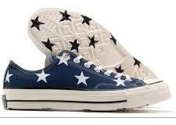 | CONVERSE | Chuck 70 OX | 167812C | UNISEX |  |  |  |  |  | 1 |  | 2 | 2 | 2 | 2 |  |  | 2 |  | 2 |  |  |  | 1 | 2 | 2 | 2 |  | 2 | 2 | 2 |  | 1 |  |  |  |  |  | 27 | € 85.00 | € 42.50
 | CONVERSE | Chuck 70 OX | 167701C | UNISEX |  |  |  |  |  | 1 |  | 2 | 1 | 2 | 2 |  |  | 2 | 1 | 2 |  |  | 2 | 2 | 2 | 2 | 2 |  | 2 | 2 | 2 |  | 1 |  |  |  |  |  | 30 | € 85.00 | € 42.50
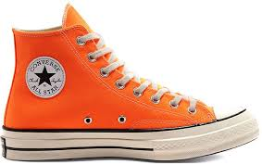 | CONVERSE | Chuck 70 Hi | 167700C | UNISEX |  |  |  |  |  | 1 |  | 2 | 2 | 2 | 2 |  |  | 1 | 2 | 1 |  |  | 2 | 2 | 2 | 2 | 2 |  | 2 | 2 | 2 |  |  |  |  |  |  |  | 29 | € 90.00 | € 45.00
 | CONVERSE | Chuck 70 OX Parchment | 162062C | UNISEX |  |  |  |  |  |  |  | 2 |  | 2 |  |  |  |  | 2 |  |  |  | 1 | 2 |  | 2 |  |  |  | 2 |  |  |  |  |  |  |  |  | 13 | € 85.00 | € 42.50
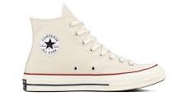 | CONVERSE | Chuck 70 High | 162053C | UNISEX |  |  |  |  |  |  |  | 1 |  | 2 |  |  |  |  | 2 |  |  |  |  | 2 |  | 1 |  |  |  | 1 |  |  | 1 |  |  |  |  |  | 10 | € 90.00 | € 45.00
 | CONVERSE | Pro Leather Hi | 167269C | UNISEX |  |  |  |  |  | 2 |  |  |  | 2 | 4 | 4 |  | 2 |  | 2 |  |  | 2 |  |  | 4 | 4 |  | 4 | 2 | 2 |  |  | 2 |  |  |  |  | 36 | € 110.00 | € 55.00
 | CONVERSE | Pro Leather Hi | 166595C | UNISEX |  |  |  |  |  | 1 |  |  |  | 1 | 1 | 2 |  | 1 |  | 1 |  |  | 1 |  |  | 2 | 2 |  | 2 | 1 | 1 |  |  | 1 |  |  |  |  | 17 | € 110.00 | € 55.00
 | CONVERSE | Pro Leather OX | 166597C | UNISEX |  |  |  |  |  | 3 |  |  |  | 3 | 6 | 6 |  | 2 |  | 3 |  |  | 3 |  |  | 5 | 6 |  | 6 | 3 | 3 |  |  | 3 |  |  |  |  | 52 | € 100.00 | € 50.00
 | CONVERSE | Pro Leather OX | 166596C | UNISEX |  |  |  |  |  | 2 |  |  |  | 2 | 4 | 4 |  | 2 |  | 2 |  |  | 2 |  |  | 5 | 4 |  | 4 | 1 | 2 |  |  | 1 |  |  |  |  | 35 | € 100.00 | € 50.00
 | CONVERSE | Pro Leather OX | 167268C | UNISEX |  |  |  |  |  | 2 |  |  |  | 2 | 4 | 4 |  | 2 |  | 2 |  |  | 2 |  |  | 4 | 4 |  | 4 | 2 | 2 |  |  | 2 |  |  |  |  | 36 | € 100.00 | € 50.00
 | CONVERSE | Pro Leather OX | 167267C | UNISEX |  |  |  |  |  | 2 |  |  |  | 2 | 4 | 4 |  | 2 |  | 2 |  |  | 2 |  |  | 4 | 4 |  | 4 | 1 | 2 |  |  | 2 |  |  |  |  | 35 | € 10.00 | € 5.00
 | CONVERSE | Chuck 70 Hi | 167862C | UNISEX |  |  |  |  |  |  |  |  |  |  |  |  |  |  |  |  |  |  | 1 |  | 1 | 2 | 2 |  | 2 |  | 2 |  |  |  |  |  |  |  | 10 | € 95.00 | € 47.50
 | CONVERSE | Pro Leather Mid | 167934C | UNISEX |  |  |  |  |  |  |  |  |  |  |  |  |  |  |  | 1 | 2 |  | 2 |  | 2 | 1 | 3 |  | 2 | 2 | 2 |  | 1 |  |  |  |  |  | 18 | € 90.00 | € 45.00
 | CONVERSE | Midnight Studio Pro Leather High | 165630C | UNISEX |  |  |  |  |  |  |  |  |  |  |  |  |  |  |  | 2 |  |  | 1 |  | 1 | 3 | 4 |  | 6 | 4 | 3 |  |  | 2 |  |  |  |  | 26 | € 120.00 | € 60.00
 | CONVERSE | Chuck 70 Hi | 166815C | UNISEX |  |  |  |  |  |  |  |  |  |  |  |  |  |  |  | 1 |  |  | 1 | 2 |  | 2 | 2 |  | 2 | 2 | 1 |  | 1 | 1 |  |  |  |  | 15 | € 95.00 | € 47.50
 | CONVERSE | Chuck 70 Hi | 166826C | UNISEX |  |  |  |  |  |  |  | 2 |  | 2 |  |  |  |  | 2 |  |  |  |  | 2 |  | 3 |  |  |  | 2 |  |  | 1 |  |  |  |  |  | 14 | € 90.00 | € 45.00
 | CONVERSE | Mono Patchwork Chuck 70 Hi | 167139C | UNISEX |  |  |  |  |  |  |  |  |  |  | 3 |  |  | 5 | 1 | 2 | 5 |  |  |  |  |  | 6 |  | 5 | 3 | 3 |  |  | 2 |  |  |  |  | 35 | € 130.00 | € 65.00
 | CONVERSE | Mono Patchwork Chuck 70 Hi | 167138C | UNISEX |  |  |  |  |  |  |  | 3 |  | 3 | 6 |  |  | 5 | 3 | 3 |  |  |  | 3 |  | 4 | 6 |  | 5 | 3 | 3 |  |  | 3 |  |  |  |  | 50 | € 130.00 | € 65.00
 | CONVERSE | Chuck 70 OX | 166824C | UNISEX |  |  |  |  |  | 1 |  | 1 |  | 1 |  |  |  | 1 | 2 |  |  |  |  | 2 | 1 | 2 | 1 |  | 2 |  | 2 |  |  |  |  |  |  |  | 16 | € 85.00 | € 42.50
 | CONVERSE | Chuck 70 Hi | 157988C | UNISEX |  |  |  |  |  | 1 |  | 2 | 2 | 2 |  |  |  |  | 2 | 1 |  |  | 2 | 1 |  |  |  |  |  |  |  |  |  |  |  |  |  |  | 13 | € 95.00 | € 47.50
 | CONVERSE | Rubber Chuck 70 E260 Hi | 167133C | UNISEX |  |  |  |  |  |  |  | 1 |  |  |  |  |  |  |  |  |  |  |  |  |  | 1 | 2 |  | 2 | 1 | 1 |  |  | 1 |  |  |  |  | 9 | € 100.00 | € 50.00
 | CONVERSE | Rubber Chuck 70 E260 Hi | 167132C | UNISEX |  |  |  |  |  |  |  |  |  | 1 | 2 |  |  |  |  | 1 |  |  |  |  |  | 2 | 2 |  | 2 | 1 | 1 |  |  | 2 |  |  |  |  | 14 | € 100.00 | € 50.00
 | CONVERSE | Chuck 70 Hi | 166748C | UNISEX |  |  |  |  |  | 1 |  | 1 |  |  |  |  |  |  |  |  |  |  |  |  |  |  |  |  |  |  |  |  |  |  |  |  |  |  | 2 | € 95.00 | € 47.50
 | CONVERSE | Chuck 70 Hi | 167990C | UNISEX |  |  |  |  |  | 1 |  | 1 |  |  |  |  |  |  | 1 |  |  |  |  |  |  |  |  |  |  |  |  |  |  |  |  |  |  |  | 3 | € 100.00 | € 50.00
 | CONVERSE | Star Player OX | 167140C | UNISEX |  |  |  |  |  |  |  |  |  | 2 |  | 4 |  |  |  |  |  |  | 1 |  |  | 4 | 4 |  | 3 | 2 | 2 |  |  | 1 |  |  |  |  | 23 | € 85.00 | € 42.50
 | CONVERSE | Chuck 70 High | 166854C | UNISEX |  |  |  |  |  |  |  |  |  |  |  |  |  |  |  | 1 |  |  | 2 | 2 | 2 | 2 | 1 |  | 2 | 2 | 1 |  | 1 |  |  |  |  |  | 16 | € 100.00 | € 50.00
 | CONVERSE | Chuck 70 Hi | 167131C | UNISEX |  |  |  |  |  |  |  | 2 |  | 2 | 4 |  |  | 4 | 2 | 1 |  |  |  | 2 |  | 4 | 3 |  | 4 | 2 | 2 |  |  | 1 |  |  |  |  | 33 | € 110.00 | € 55.00
 | CONVERSE | Chuck 70 Hi | 167130C | UNISEX |  |  |  |  |  |  |  | 2 |  | 2 | 4 |  |  | 4 | 2 | 2 |  |  |  | 2 |  | 3 | 4 |  | 4 | 2 | 2 |  |  | 2 |  |  |  |  | 35 | € 110.00 | € 55.00
 | CONVERSE | Chuck 70 High | 166747C | UNISEX |  |  |  |  |  |  |  | 1 |  |  |  |  |  |  |  |  |  |  | 1 | 1 |  |  |  |  |  |  |  |  |  |  |  |  |  |  | 3 | € 95.00 | € 47.50
 | CONVERSE | Chuck 70 OX | 166749C | UNISEX |  |  |  |  |  |  |  |  |  |  |  |  |  |  |  |  |  |  | 1 | 1 |  |  |  |  |  |  |  |  |  |  |  |  |  |  | 2 | € 90.00 | € 45.00
 | CONVERSE | Pigalle Chuck 70 OX | 165748C | UNISEX |  |  |  |  |  |  |  |  |  |  | 4 |  |  | 6 |  | 3 |  |  |  |  |  | 5 | 6 |  | 6 | 2 | 4 |  |  | 4 |  |  |  |  | 40 | € 120.00 | € 60.00
 | CONVERSE | Pigalle Chuck 70 OX | 165747C | UNISEX |  |  |  |  |  |  |  | 2 |  | 4 | 4 |  |  | 4 |  | 2 |  |  |  |  |  | 3 | 5 |  | 2 | 1 | 2 |  |  |  |  |  |  |  | 29 | € 120.00 | € 60.00
 | CONVERSE | Chuck 70 Hi | 168036C | UNISEX |  |  |  |  |  |  |  | 2 |  | 1 |  |  |  |  |  |  |  |  |  | 2 |  | 2 |  |  |  | 2 |  |  |  |  |  |  |  |  | 9 | € 90.00 | € 45.00
 | CONVERSE | Chuck 70 Hi Faded | 166853C | UNISEX |  |  |  |  |  |  |  |  |  |  |  |  |  |  |  | 1 |  |  | 2 | 2 | 2 | 2 | 1 |  | 2 | 2 | 2 |  | 1 |  |  |  |  |  | 17 | € 100.00 | € 50.00
 | CONVERSE | CT70 ERX | 166463C | UNISEX |  |  |  |  |  |  |  |  |  |  |  |  |  |  |  | 2 |  |  |  | 2 | 2 | 4 | 4 |  | 4 | 4 | 1 |  |  | 2 |  |  |  |  | 25 | € 100.00 | € 50.00
 | CONVERSE | CT70 ERX | 166462C | UNISEX |  |  |  |  |  |  |  |  |  |  |  |  |  |  |  |  |  |  |  |  |  |  |  |  | 2 | 2 | 1 |  |  |  |  |  |  |  | 5 | € 100.00 | € 50.00
 | CONVERSE | Chuck 70 High | 166317C | UNISEX |  |  |  |  |  |  |  |  |  |  |  |  |  |  |  |  |  |  |  |  |  | 4 | 4 |  | 2 | 1 | 1 |  |  | 2 |  |  |  |  | 14 | € 130.00 | € 65.00
 | CONVERSE | Bosey MC High | 166222C | UNISEX |  |  |  |  |  |  |  |  |  |  |  |  |  |  |  | 1 |  |  |  |  | 1 |  |  |  |  |  |  |  | 1 |  |  |  |  |  | 3 | € 110.00 | € 55.00
 | CONVERSE | JP OX | 165963C | UNISEX |  |  |  |  |  |  |  |  |  |  |  |  |  |  |  | 1 | 1 |  | 1 |  | 2 | 1 | 2 |  | 2 | 1 | 2 |  | 1 | 1 |  |  |  |  | 15 | € 85.00 | € 42.50
 | CONVERSE | Chuck 70 High | 165965C | UNISEX |  |  |  |  |  |  |  |  | 1 |  |  |  |  |  |  |  |  |  | 2 | 2 | 2 | 2 | 1 |  | 2 | 2 | 1 |  | 1 |  |  |  |  |  | 16 | € 110.00 | € 55.00
 | CONVERSE | Chuck 70 OX | 166217C | UNISEX |  |  |  |  |  | 1 |  | 1 |  |  | 2 |  |  | 2 | 2 | 2 |  |  |  | 2 |  | 2 |  |  | 1 | 2 | 2 |  | 2 |  |  |  |  |  | 21 | € 95.00 | € 47.50
 | CONVERSE | Chuck 70 Bosey High | 165930C | UNISEX |  |  |  |  |  |  |  |  |  |  |  |  |  |  |  | 1 |  |  |  |  | 2 |  |  |  |  |  | 1 |  |  |  |  |  |  |  | 4 | € 120.00 | € 60.00
 | CONVERSE | Chuck 70 High | 166132C | UNISEX |  |  |  |  |  | 1 |  |  |  | 2 | 2 |  |  |  | 1 | 1 |  |  | 2 |  |  |  |  |  |  |  |  |  |  |  |  |  |  |  | 9 | € 100.00 | € 50.00
 | CONVERSE | Chuck 70 High | 564969C | UNISEX |  |  |  |  |  |  |  |  | 1 |  |  |  |  |  |  | 1 |  |  | 1 |  |  |  |  |  |  |  |  |  |  |  |  |  |  |  | 3 | € 110.00 | € 55.00
 | CONVERSE | Chuck 70 High | 164913C | UNISEX |  |  |  |  |  |  |  | 1 | 2 |  |  |  |  |  |  | 1 |  |  |  |  |  |  |  |  |  |  | 1 |  |  |  |  |  |  |  | 5 | € 110.00 | € 55.00
 | CONVERSE | Chuck 70 High | 164912C | UNISEX |  |  |  |  |  |  |  |  | 1 |  |  |  |  |  |  |  |  |  |  |  |  |  |  |  |  |  |  |  |  |  |  |  |  |  | 1 | € 110.00 | € 55.00
 | CONVERSE | Chuck 70 OX | 164408C | UNISEX |  |  |  |  |  |  |  |  |  |  |  |  |  |  |  |  |  |  |  |  | 2 | 1 | 1 |  | 2 | 2 |  |  |  |  |  |  |  |  | 8 | € 85.00 | € 42.50
 | CONVERSE | Chuck Taylor 70 Ox | 142338C | UNISEX |  |  |  |  |  |  |  | 1 |  | 1 | 2 |  |  | 2 | 1 | 1 |  |  |  |  |  |  |  |  |  |  |  |  |  |  |  |  |  |  | 8 | € 80.00 | € 40.00

